layers show issue
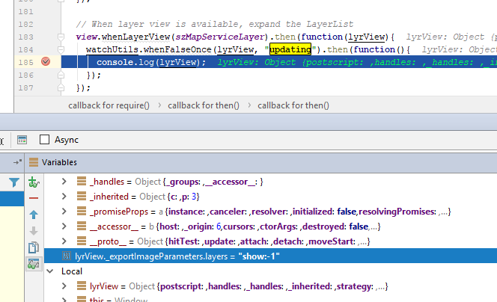
bug: | layers=show:-1 | 4.3
 | layers=show:3 | 4.5

